Indices

 | Iraq Stock Exchange
 | Bulletin No (91)
 | ISX Trading Indices of Sunday 24/5/2026

 | Traded Volume and OTC |  | 28,692,633,798 |  | Traded Value and OTC |  | 25,124,282,421 |  | Traders | 1396

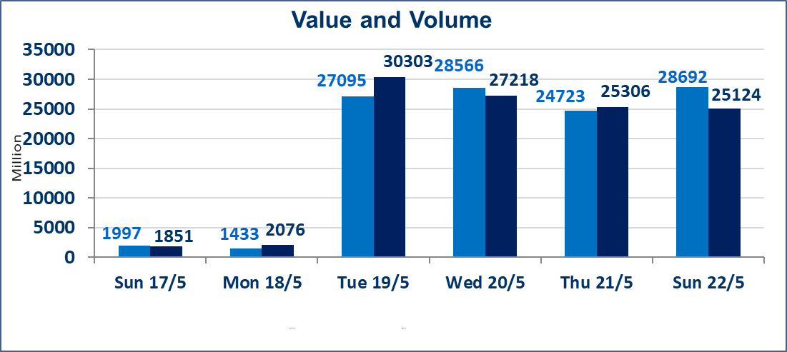
 | ISX Index 60 |  |  | 960.08 | ISX Index 15 |  |  | 1243.12
 | Previous ISX Index60 |  |  | 944.57 | Previous ISX Index15 |  |  | 1239.81
 | Change % |  |  | 1.64 | Change % |  |  | 0.27
 | Change |  |  | 15.51 | Change |  |  | 3.31

 | Listed Companies | 103 | OTC | 14 | Non Traded listed | 33 | OTC | 14
 | Traded Listed Companies | 57 | OTC | 0 | Higher Companies |  |  | 20
 | GAM Companies |  |  | 5 | Lower Companies |  |  | 9
 | Suspended Companies |  |  | 8
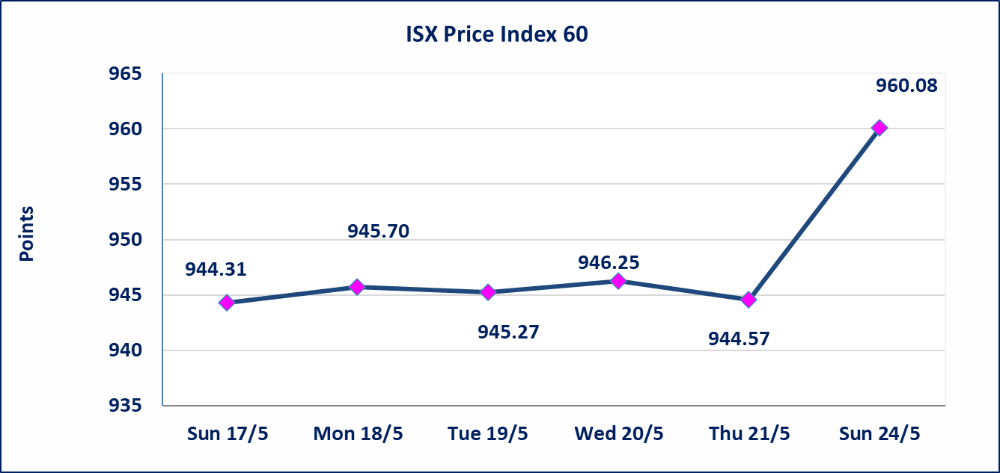
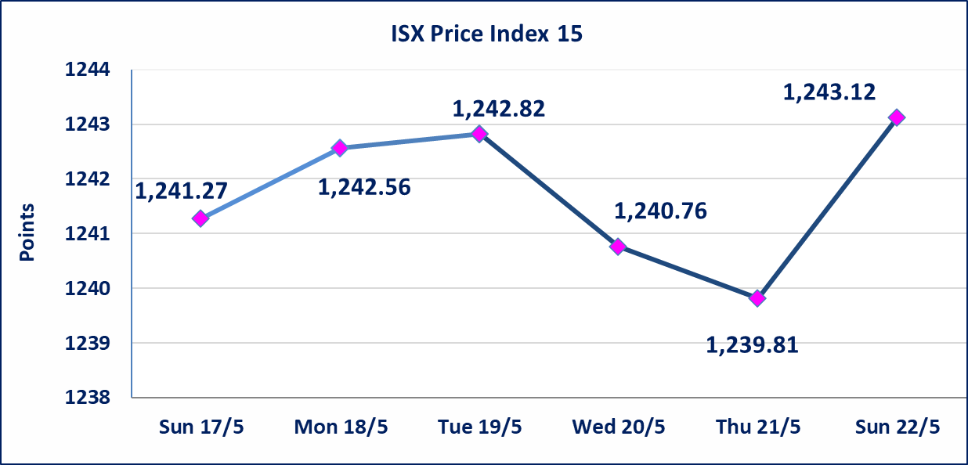

 | special orders | Elaf Brokerage Company executed a deliberate cross order on the shares of Al Qurtas Bank Company with a number of shares (23,749,750,000) shares with a value of (23,749,750,000) dinars, during the additional session time (after 1 pm) in accordance with the procedures for executing large transactions.
Al-Alwiya P.O . 3607 Mobile: 07711211522 - 07270094594 - 07834000034 E-mail: info-isx@isx-iq.net Web site:www.isx-iq.net

Top 5
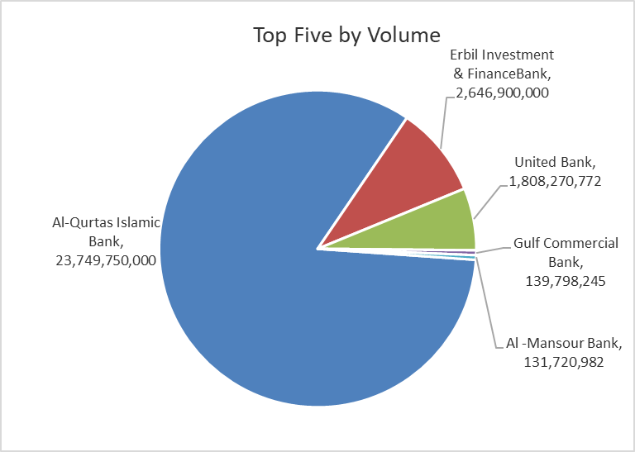
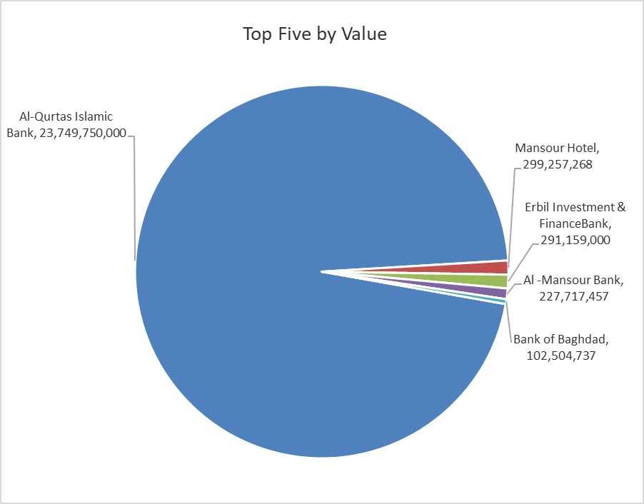

ISX top ganing and losing companies
Sunday 24/5/2026
 | Gainers |  |  |  | Losers
 | Company Name | Closing Price | Change (%) | Traded Volume | Company Name | Closing Price | Change (%) | Traded Volume
 | Mansour Hotel | 65.000 | 20.39 | 5,541,654 | United Bank | 0.050 | -16.67 | 1,808,270,772
 | Al-Hamraa for Insurance | 5.000 | 11.11 | 21,013 | Union Bank of Iraq | 0.160 | -5.88 | 57,993
 | Al-Khatam Telecom | 4.190 | 10.55 | 297,941 | Electronic Industry | 1.350 | -3.57 | 16,200,601
 | National Islamic Bank | 1.100 | 10.00 | 1,750,000 | Trans Iraq Bank Investment | 0.300 | -3.23 | 10,000
 | National Furniture Industries | 0.950 | 9.20 | 1,970,851 | Commercial Islamic Bank of Iraq | 0.660 | -1.49 | 17,978,135
 | The most active companies in term of traded volume and value

 | Traded Volume |  |  |  | Traded Value
 | Company Name | Closing Price | Change (%) | Traded Volume | Company Name | Closing Price | Change (%) | Traded Value
 | Al-Qurtas Islamic Bank | 1.000 | 0.00 | 23,749,750,000 | Al-Qurtas Islamic Bank | 1.000 | 0.00 | 23,749,750,000
 | Erbil Investment & FinanceBank | 0.110 | 0.00 | 2,646,900,000 | Mansour Hotel | 65.000 | 20.39 | 299,257,268
 | United Bank | 0.050 | -16.67 | 1,808,270,772 | Erbil Investment & FinanceBank | 0.110 | 0.00 | 291,159,000
 | Gulf Commercial Bank | 0.380 | 2.70 | 139,798,245 | Al -Mansour Bank | 1.730 | 1.76 | 227,717,457
 | Al -Mansour Bank | 1.730 | 1.76 | 131,720,982 | Bank of Baghdad | 2.710 | 0.00 | 102,504,737

Non Iraqis

 | Iraq Stock Exchange
 | Non Iraqis' Bulletin Sunday May 24 2026
 | Regular Market

 | Non Iraqi Trading of Regular Market (Buy)
 | Company Names | Code | No.of trades | Traded Shares | Trading Volume
 | Banks Sector
 | Commercial Bank of Iraq | BCOI | 2 | 17,666,668 | 11,660,001
 | Natinol Islamic Bank | BANI | 1 | 25,000 | 27,500
 | Iraqi Islamic Bank | BIIB | 1 | 25,000 | 27,000
 | Iraqi Middle East Investment Bank | BIME | 2 | 206,246 | 18,562
 | National Bank Of Iraq | BNOI | 2 | 20,000 | 79,700
 | Al-Mansour Bank | BMNS | 1 | 580,000 | 1,003,400
 | Kurdistan International Bank | BKUI | 1 | 20,000 | 23,200
 | Total Bank sector |  | 10 | 18,542,914 | 12,839,363
 | Hotel Sector
 | Mansour Hotel | HMAN | 4 | 483,334 | 26,111,036
 | Total Hotel Sector |  | 4 | 483,334 | 26,111,036
 | Grand Total |  | 14 | 19026248 | 38950399

 | Non Iraqi Trading of Regular Market (Sell)
 | Company Names | Code | No.of trades | Traded Shares | Trading Volume
 | Banks Sector
 | Commercial Bank of Iraq | BCOI | 3 | 57,363 | 37,860
 | Gulf Commercial Bank | BGUC | 1 | 300,000 | 108,000
 | Ashur International Bank | BASH | 5 | 2,760,000 | 717,600
 | Al-Mansour Bank | BMNS | 9 | 7,393,496 | 12,790,748
 | Total Bank sector |  | 18 | 10,510,859 | 13,654,208
 | Grand Total |  | 18 | 10,510,859 | 13,654,208

 | Non Iraqi Trading of Second Market (BUY)
 | Company Names | Code | No. of trades | Traded Volume | Traded Value
Banks Sector
 | Trans Iraq Bank Investment | BTRI | 1 | 10,000 | 3,000
 | Total Bank sector |  | 1 | 10,000 | 3,000
 | Grand Total |  | 1 | 10,000 | 3,000

 | Non Iraqi Trading of Second Market (Sell)
 | Company Names | Code | No.of trades | Traded Shares | Trading Volume
 | Insurance Sector
 | Al-Hamraa for Insurance | NHAM | 1 | 5,840 | 29,200
 | Total Insurance sector |  | 1 | 5,840 | 29,200
 | Grand Total |  | 1 | 5,840 | 29,200

 | Non Iraqi Trading of Undisclosed Platform (BUY)
 | Company Names | Code | No.of trades | Traded Shares | Trading Volume
 | Industry Sector
 | ELectronic Industries | IELI | 4 | 15,833,930 | 21,534,145
 | Total Industry sector |  | 4 | 15,833,930 | 21,534,145
 | Hotel Sector
 | Palestine Hotel | HPAL | 4 | 3,178,792 | 58,934,804
 | Total Hotel Sector |  | 4 | 3,178,792 | 58,934,804
 | Grand Total |  | 8 | 19,012,722 | 80,468,948
 | Iraq Stock Exchange
 | Non Iraqis' Bulletin Sunday May 24 2026
 | Regular Market

 | Non Iraqi Trading of Undisclosed Platform (Sell)
 | Company Names | Code | No.of trades | Traded Shares | Trading Volume
 | Banks Sector
 | United Bank | BUND | 62 | 236,054,416 | 11,802,721
 | Total Bank sector |  | 62 | 236,054,416 | 11,802,721
 | Grand Total |  | 62 | 236,054,416 | 11,802,721

Not Trading Bonds

Iraq Stock Exchange
Sunday 24/5/2026
Not Trading Bonds Bulletin
Bond type | Publish type | Code | last trading price | immortilize date
Banaa Bonds /Million ID | Second | CB20 | 964,981 | 19/12/2025
Eamar Bonds /Million ID | First | CB30 | 1,001,095 | ــــــــــــــــ
Eamar Bonds /Million ID | Second | CB40 | ــــــــــــــــ | ــــــــــــــــ
Eamar Bonds /500 Thousand ID | Third | CB45 | ــــــــــــــــ | ــــــــــــــــ
Eamar Bonds /Million ID | Third | CB50 | ــــــــــــــــ | ــــــــــــــــ
Injaz Bonds /500 Thousand ID | First | CB55 | ــــــــــــــــ | ــــــــــــــــ
Injaz Bonds /Million ID | First | CB60 | 951,110 | ــــــــــــــــ
Injaz Bonds /Million ID | Second | CB70 | 965,050 | ــــــــــــــــ
Injaz Bonds /500 Thousand ID | Third | CB75 | ــــــــــــــــ | ــــــــــــــــ
Injaz Bonds /Million ID | Third | CB80 | 978,182 | ــــــــــــــــ
National Bonds/Million ID | First | CB90 | ــــــــــــــــ | ــــــــــــــــ
National Bonds/500 Thousand ID | Second | CB95 | ــــــــــــــــ | ــــــــــــــــ
National Bonds/Million ID | Second | CB100 | ــــــــــــــــ | ــــــــــــــــ

